Sheet1
 | X | Y
 | 0.0000 | 1.0000 | 1.7182 | 1.4763 | 0.8455
 | 1.0000 | 2.7182 | 4.6709 | 4.0128
 | 2.0000 | 7.3891 | 12.6964
 | 3.0000 | 20.0855

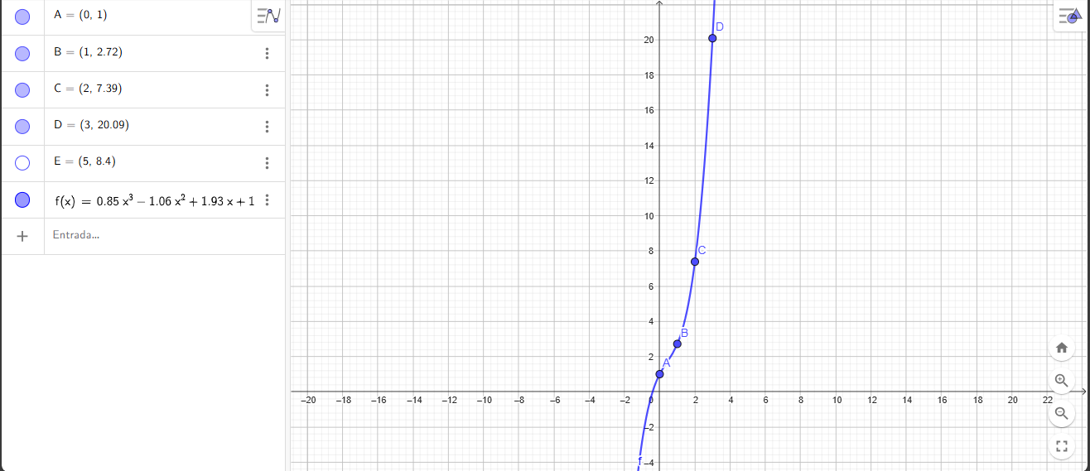

f3(x)=1,000+1,7182(x-0,0000)+1,4764(x-0,0000)(x-1,0000)+0,8455(x-0,0000)(x-1,0000)(x-2,0000)

f3(x)=0,8455x^3-1,0601x^2+1,9328x+1

